parameter
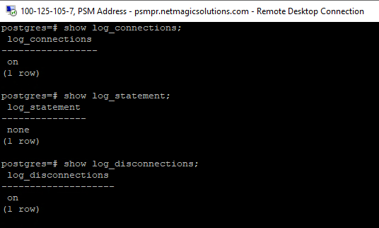
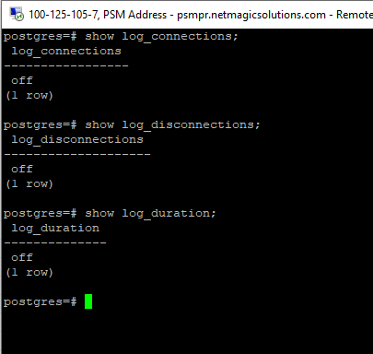
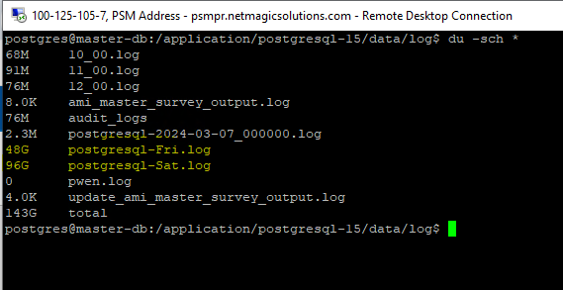
Variable Name | Current Value | Proposed Value | Effect on Server or Space
max_parallel_maintenance_workers | 3 | 4 | Increases the number of workers for parallel maintenance tasks like VACUUM, CREATE INDEX, etc. Can reduce maintenance time but increases CPU usage.
lock_timeout | 0 | 1 Min | Sets a timeout for queries waiting on locks. It helps to prevent deadlocks but can terminate queries prematurely. Minimal performance impact.
statement_timeout | 0 | 1 Hour | Enforces a maximum execution time for queries. Helps avoid long-running queries but may lead to prematurely killed queries in heavy workloads.
idle_in_transaction_session_timeout | 0 | 30 Min | Terminates idle transactions after 30 minutes. Helps free up resources and prevents blocking, but may impact some long-running transactions.
max_parallel_workers_per_gather | 3 | 4 | Increases the number of workers for parallel query execution. Increases CPU and memory usage but can improve query performance.
default_statistics_target | 100 | 500 | Increases the amount of statistics collected for query planning, leading to more accurate plans but may increase storage overhead.
autovacuum_vacuum_threshold | 50 | 2000 | Increases the threshold for autovacuum. Reduces autovacuum frequency but may result in larger table bloat before vacuuming.
autovacuum_vacuum_scalefactor | 0.2 | 0.3 | Increases the scale factor for autovacuum. Reduces frequency of autovacuum but may cause tables to bloat more before cleanup.
autovacuum_analyze_threshold | 50 | 2000 | Increases the threshold for autovacuum analysis. Reduces autovacuum analysis frequency, potentially leading to suboptimal query plans.
autovacuum_analyze_scalefactor | 0.1 | 0.2 | Reduces the frequency of autovacuum analysis. May cause outdated statistics if not analyzed frequently.
log_statement | none | all | Logs all SQL statements, which can significantly increase the size of log files and may impact performance due to high logging activity.
log_connections | off | on | Logs each new connection. Slightly increases log file size and minor performance overhead, especially in environments with frequent connections.
log_disconnections | off | on | Logs each disconnection. Adds minimal space usage to logs but provides useful tracking for session activities.
log_min_duration_statement | -1 (disabled) | 1 sec | Logs queries taking longer than 1 second. Helps identify slow queries but increases log file size and has minor performance overhead.
log_statement_stats | off | on | Logs execution statistics for every statement. Significantly increases log size and may impact performance in highly active systems.
log_lock_waits | off | on | Logs queries that are waiting for locks. Provides useful insights into lock contention but increases log file size.
log_file_name | postgresql-%Y-%m-%d_%H%M%S.log | postgresql-%d.log | Changes log rotation format to daily. Easier log management but less detailed granularity for debugging.
log_rotation_size | 10MB | 0 | Disables log rotation based on file size. Can lead to very large log files, consuming significant disk space over time.
checkpoint_timeout | 5 min | 30 min | Increases the time between checkpoints. May reduce I/O load but could cause longer recovery times and larger WAL files if a crash occurs.
statement_timeout | 0 | 30min | Purpose:- 1. Cancels a SQL query if it runs longer than the specified time. 2. Protects the server from runaway queries (bad joins, missing indexes, Cartesian products) Behavior: 1. Only affects individual statements, not the whole transaction. 2. If the timeout is hit, query is canceled (rolled back), but the session remains connected.
lock_timeout | 0 (disabled → wait forever). |  | Purpose: Cancels a query if it waits too long to acquire a lock on a table/row. Prevents apps from hanging when another transaction holds a lock. Behavior: Only checks lock acquisition time (not query execution). If timeout occurs → query is canceled, transaction is still alive but partially executed.
idle_in_transaction_session_timeout | 0 (disabled). |  | Purpose: Terminates sessions that are inside a transaction but idle. Example: BEGIN; SELECT * FROM table; … then the client does nothing, leaving the TXN open. Behavior: Session is terminated (not just query canceled). Protects against: 1. Blocking autovacuum (open TXN prevents vacuum cleanup). 2.Table/index bloat (frozen xmin). 3.Locks held indefinitely.
idle_session_timeout | 0 (disabled). (v14+) |  | Purpose: Disconnects sessions that are completely idle (no active transaction, no query). Useful to free up connection slots from apps that forget to close connections. Behavior: Session is terminated after specified idle time. Less critical than idle_in_transaction_session_timeout (since idle sessions don’t block VACUUM).

log_parameter
Log parameter
sr no | Parameter | Explaination
1 | logging_collector | 1.Turns on/off the log collector. 2. If enabled, logs are written to files instead of just the terminal.
2 | log_directory | 1.Where the log files are stored. 2.Example: log_directory = 'pg_log' means logs are saved in the pg_log folder.
3 | log_filename | 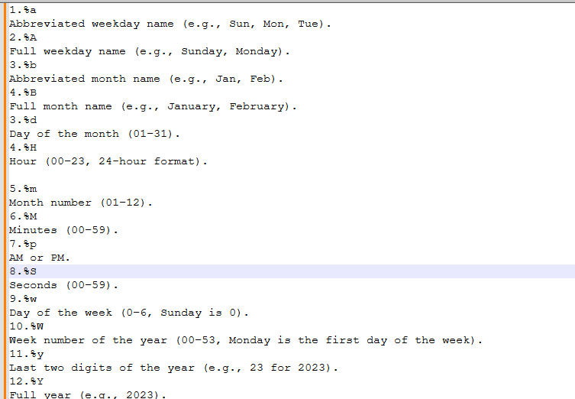 1.The name format for the log files. 2.place holder:-
4 | log_statement | 1.Specifies what SQL queries to log. 2.Options: i.none: No queries are logged. ii.ddl: Logs schema changes (e.g., CREATE, ALTER,Drop). iii.mod: Logs data modifications (e.g., INSERT, UPDATE,DELETE, TRUNCATE+DDL). iv.all: Logs everything.
5 | log_min_messages | 1.Sets the minimum level of messages to log. 2.Levels include: DEBUG, INFO, NOTICE, WARNING, ERROR, FATAL, PANIC. 3.Example: If set to WARNING, only warnings and more severe messages will be logged.
6 | log_connections / log_disconnections | 1.Logs when a client connects or disconnects. 2.Useful to track user activity.
7 | log_duration | 1.Logs how long each query takes to execute. 2.Useful for identifying slow queries.
8 | log_line_prefix | 1.Adds extra information to each log line (e.g., timestamps, usernames, process ID). 2.Example: %t %u %d logs the timestamp, username, and database name.
9 | log_autovacuum_min_duration | 1.Logs autovacuum activity that takes longer than the specified time (in ms). 2.Helps monitor maintenance processes.

